Peak Volatility
1. Observed Annual Peaks
 | Peak MW | Trend (2011 - 2024)
2000 | 3,202.0
2001 | 3,297.0
2002 | 3,376.0
2003 | 3,499.0
2004 | 3,560.0
2005 | 3,685.0
2006 | 3,604.0
2007 | 3,546.0
2008 | 3,351.0
2009 | 3,404.0
2010 | 3,406.0
2011 | 3,303.0 | 3,157.5
2012 | 3,265.0 | 3,140.9
2013 | 3,159.0 | 3,124.3
2014 | 3,030.0 | 3,107.7
2015 | 3,080.0 | 3,091.1
2016 | 3,087.0 | 3,074.6
2017 | 3,083.5 | 3,058.0
2018 | 2,705.0 | 3,041.4
2019 | 2,866.0 | 3,024.8
2020 | 2,945.0 | 3,008.2
2021 | 2,960.0 | 2,991.6
2022 | 2,877.0 | 2,975.1
2023 | 3,151.0 | 2,958.5
2024 | 3,184.0 | 2,941.9
Calendar Year | Peak MW | Trend (2011 - 2024) | Residual | Zero | 95th Percentile Residual
2000 | 3,202.0 |  |  |  | 294.5
2001 | 3,297.0
2002 | 3,376.0
2003 | 3,499.0
2004 | 3,560.0
2005 | 3,685.0
2006 | 3,604.0
2007 | 3,546.0
2008 | 3,351.0
2009 | 3,404.0
2010 | 3,406.0
2011 | 3,303.0 | 3,157.5 | 145.5 | 0
2012 | 3,265.0 | 3,140.9 | 124.1 | 0
2013 | 3,159.0 | 3,124.3 | 34.7 | 0
2014 | 3,030.0 | 3,107.7 | (77.7) | 0
2. Residuals of Trend Normalized Annual Peaks
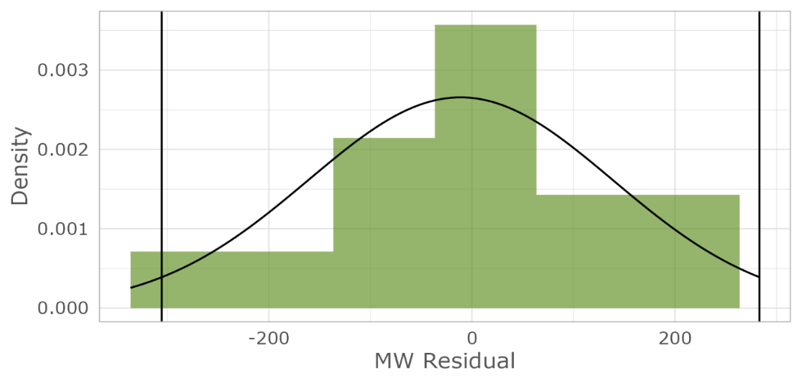
4. Distribution Density Curve with 95% Confidence Interval
2015 | 3,080.0 | 3,091.1 | (11.1) | 0
2016 | 3,087.0 | 3,074.6 | 12.4 | 0
2017 | 3,083.5 | 3,058.0 | 25.5 | 0
2018 | 2,705.0 | 3,041.4 | (336.4) | 0
2019 | 2,866.0 | 3,024.8 | (158.8) | 0
2020 | 2,945.0 | 3,008.2 | (63.2) | 0
2021 | 2,960.0 | 2,991.6 | (31.6) | 0
2022 | 2,877.0 | 2,975.1 | (98.1) | 0
2023 | 3,151.0 | 2,958.5 | 192.5 | 0
2024 | 3,184.0 | 2,941.9 | 242.1 | 0

